Sensor pH
Sensor pH
analogRead | Larutan buffer
1760 | 7
2395 | 4

Sensor Tegangan
Sensor Tegangan
analogRead | Multimeter
0 | 0
90 | 1
338 | 2
581 | 3
837 | 4
1090 | 5
1340 | 6
1599 | 7
1847 | 8
2100 | 9
2346 | 10

Sensor jarak
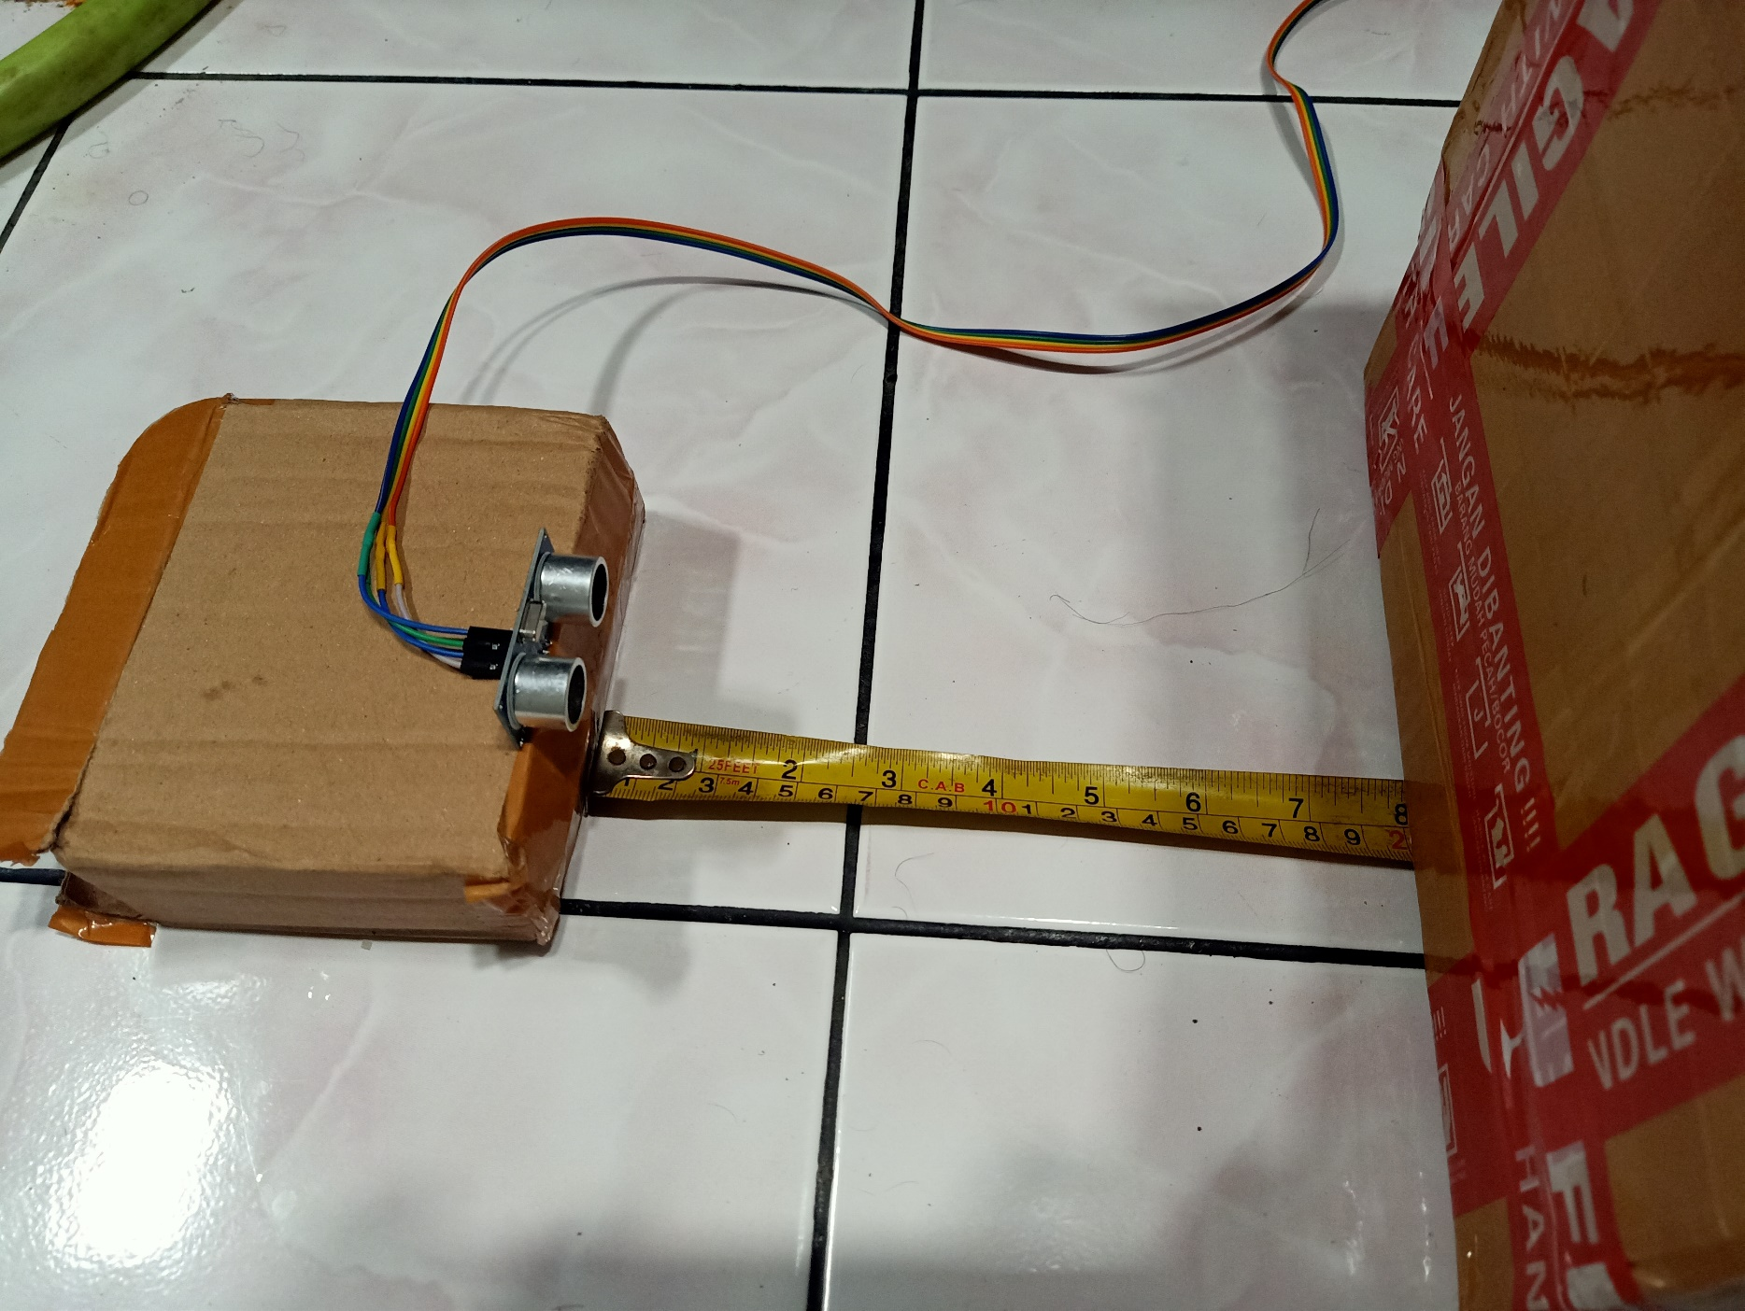
Jarak terukur (cm) | Meteran (cm) | Error %
5.3 | 5 | 0.3
10.61 | 10 | 0.61
14.77 | 15 | 0.23
19.94 | 20 | 0.06
25.67 | 25 | 0.67
30.17 | 30 | 0.17
34.8 | 35 | 0.2
40.02 | 40 | 0.02
44.7 | 45 | 0.3
49.8 | 50 | 0.2

